Sheet1
BONDED STORE EXPIRY LIST -DEC 2025

VESSEL NAME: xxxx

S.NO | ITEMS | EXPIRY DATE | UNITS | QUANTITY |  | UNIT PRICE(USD) | TOTAL PRICE (USD)
1 | Peanuts (150 gm) | 2025-12-25 | Tin | 18 |  | 2.15 | 38.70
2 | Chocolate Mars (51 G) | 2025-12-14 | Pcs | 42 |  | 1.30 | 54.60

 |  |  |  |  | TOTAL(USD) |  | 93.30

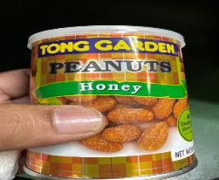
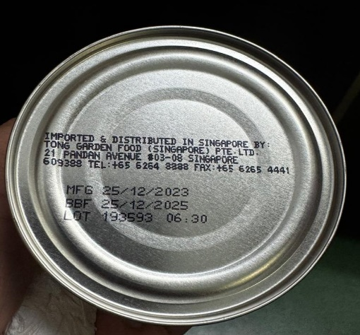

 |  | Peanuts (150 gm)

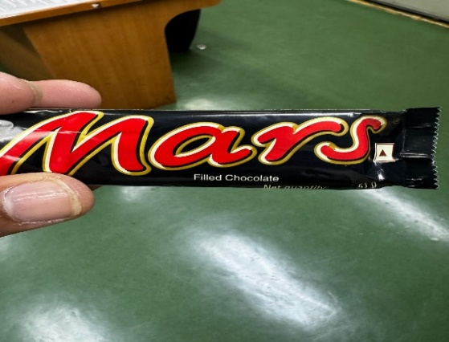
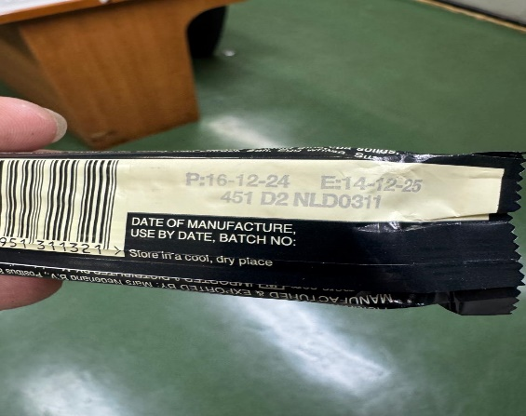

 |  | Chocolate Mars (51 G)

 |  |  |  | Master Name
 |  |  |  |  |  | Vessel

